Max Revenue
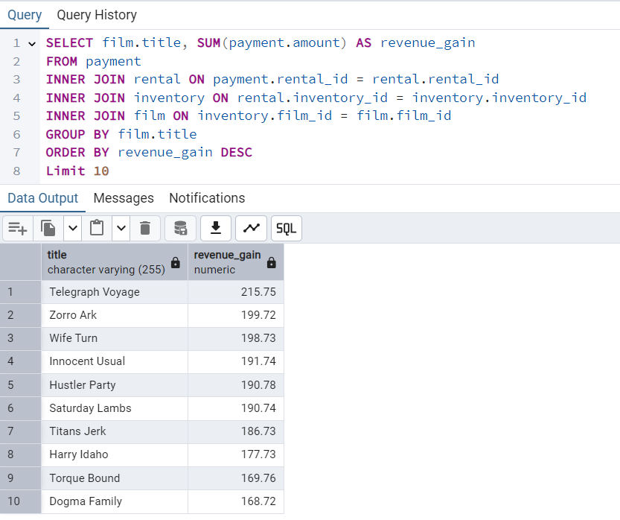
title | revenue_gain
Telegraph Voyage | 215.75
Zorro Ark | 199.72
Wife Turn | 198.73
Innocent Usual | 191.74
Hustler Party | 190.78
Saturday Lambs | 190.74
Titans Jerk | 186.73
Harry Idaho | 177.73
Torque Bound | 169.76
Dogma Family | 168.72

Min Revenue

title | revenue_gain
Texas Watch | 5.94
Oklahoma Jumanji | 5.94
Duffel Apocalypse | 5.94
Freedom Cleopatra | 5.95
Young Language | 6.93
Rebel Airport | 6.93
Cruelty Unforgiven | 6.94
Treatment Jekyll | 6.94
Lights Deer | 7.93
Stallion Sundance | 7.94

Countries
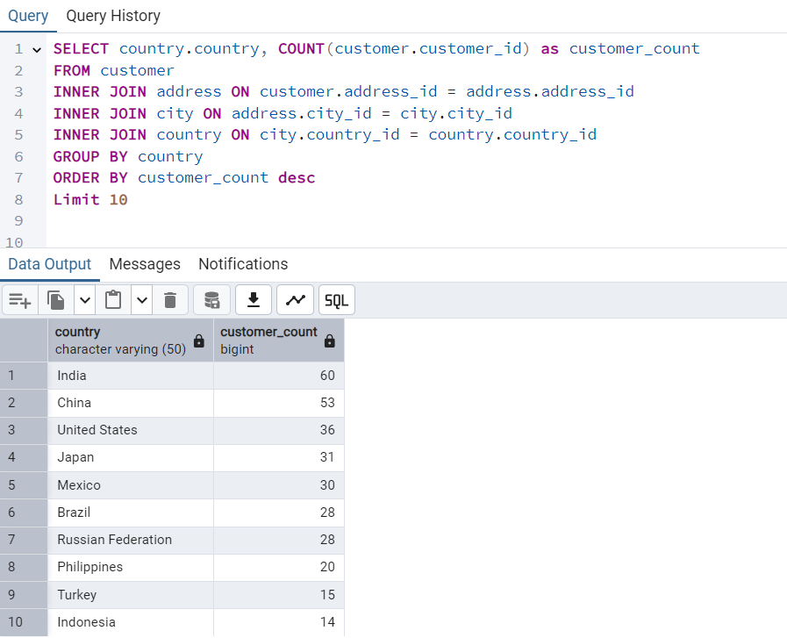
country | customer_count
India | 60
China | 53
United States | 36
Japan | 31
Mexico | 30
Brazil | 28
Russian Federation | 28
Philippines | 20
Turkey | 15
Indonesia | 14

Customers
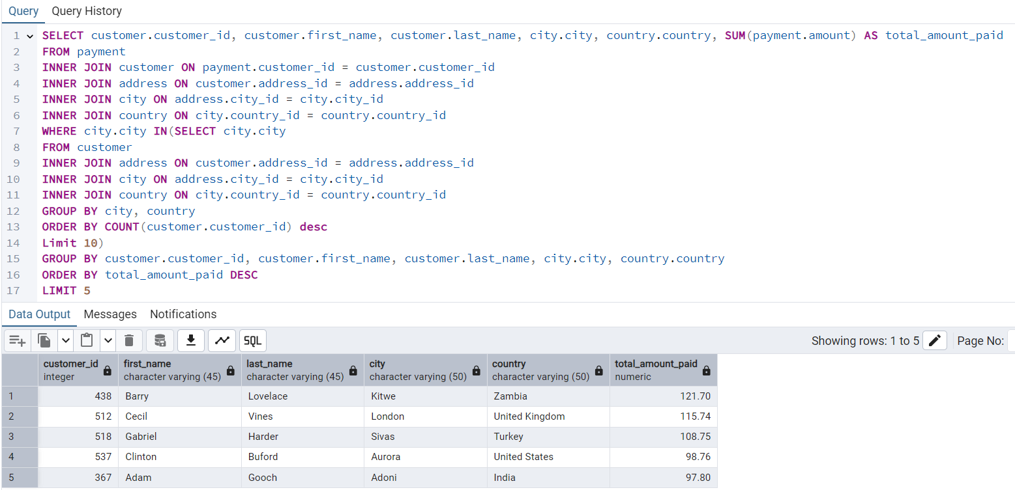
customer_id | first_name | last_name | city | country | total_amount_paid
438 | Barry | Lovelace | Kitwe | Zambia | 121.70
512 | Cecil | Vines | London | United Kingdom | 115.74
518 | Gabriel | Harder | Sivas | Turkey | 108.75
537 | Clinton | Buford | Aurora | United States | 98.76
367 | Adam | Gooch | Adoni | India | 97.80

Total Payment
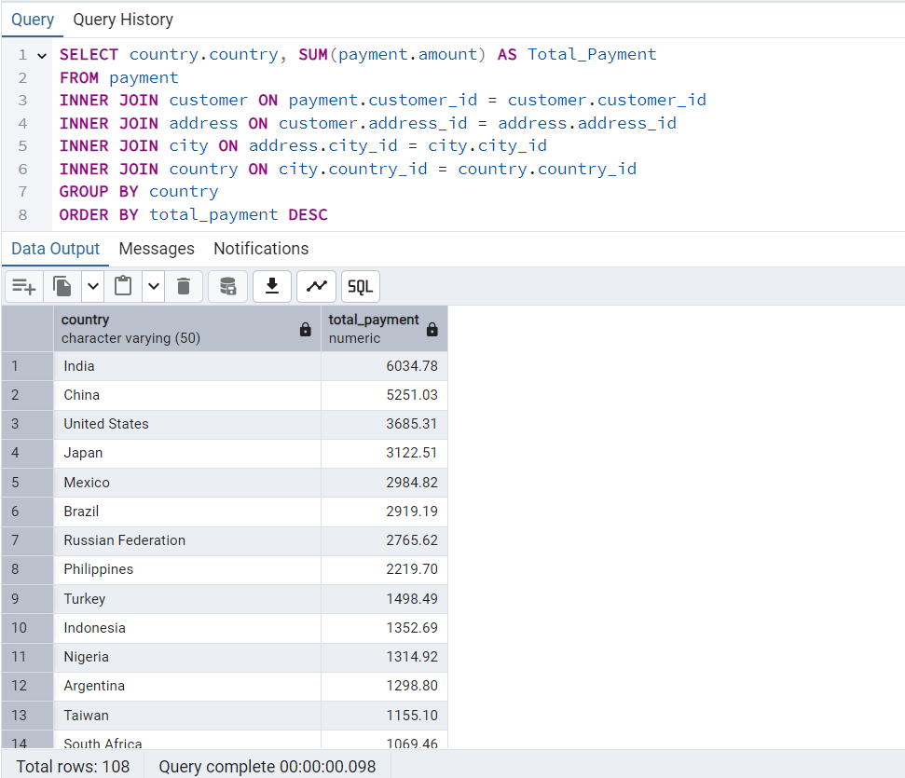
country | total_payment
India | 6034.78
China | 5251.03
United States | 3685.31
Japan | 3122.51
Mexico | 2984.82
Brazil | 2919.19
Russian Federation | 2765.62
Philippines | 2219.70
Turkey | 1498.49
Indonesia | 1352.69
Nigeria | 1314.92
Argentina | 1298.80
Taiwan | 1155.10
South Africa | 1069.46
Iran | 877.96
United Kingdom | 850.96
Poland | 786.16
Italy | 753.26
Germany | 741.24
Vietnam | 676.45
Ukraine | 675.53
Colombia | 661.54
Egypt | 659.48
Venezuela | 632.43
Canada | 559.70
Netherlands | 557.73
South Korea | 527.77
Spain | 513.80
Yemen | 473.93
Pakistan | 473.84
Saudi Arabia | 452.94
Peru | 407.01
Thailand | 401.08
Israel | 379.13
Ecuador | 369.18
Bangladesh | 353.19
Algeria | 349.18
France | 334.12
Malaysia | 330.23
Tanzania | 322.22
Mozambique | 315.25
United Arab Emirates | 305.25
Dominican Republic | 304.26
Chile | 303.34
Austria | 284.30
Morocco | 274.35
Paraguay | 273.40
Belarus | 271.36
Latvia | 249.43
Switzerland | 248.41
Kenya | 245.49
Yugoslavia | 233.49
Puerto Rico | 224.48
Romania | 218.42
Runion | 211.55
French Polynesia | 205.52
Greece | 204.54
Sudan | 202.51
Azerbaijan | 198.53
Bulgaria | 194.52
Kazakstan | 192.51
Angola | 187.55
Cameroon | 186.49
Myanmar | 179.53
Cambodia | 179.51
Bolivia | 178.56
Congo | The Democratic Republic of the | 168.58
Oman | 161.56
Holy See (Vatican City State) | 146.68
Nauru | 143.70
Sweden | 139.67
Czech Republic | 132.72
Moldova | 127.66
Turkmenistan | 126.74
Chad | 122.72
Malawi | 121.73
Zambia | 121.70
Virgin Islands | U.S. | 121.69
Greenland | 119.72
Armenia | 118.75
Gambia | 114.73
Iraq | 111.73
Hungary | 111.71
Bahrain | 108.76
North Korea | 107.71
Brunei | 107.66
Kuwait | 106.75
Estonia | 105.72
Hong Kong | 104.76
Sri Lanka | 103.73
Liechtenstein | 99.74
Anguilla | 99.68
French Guiana | 97.80
Faroe Islands | 96.76
Senegal | 95.76
Nepal | 93.83
Tuvalu | 93.78
Madagascar | 92.79
Ethiopia | 91.77
New Zealand | 85.77
Slovakia | 80.77
Finland | 78.79
Tunisia | 73.78
Afghanistan | 67.82
Tonga | 64.84
Saint Vincent and the Grenadines | 64.82
Lithuania | 63.78
American Samoa | 47.85

